Rdline_Force_0506
Jira Story | Scenario | Summary | Pass / Fail June 2024 | Comments
MFTASSHS-26927 | Redline Scenarios | Fixed Below Issues: 1. Redline table spacing issues for glossary term followed by guide embeds (Additional space inserted) | 5/31: Pass DM |  | 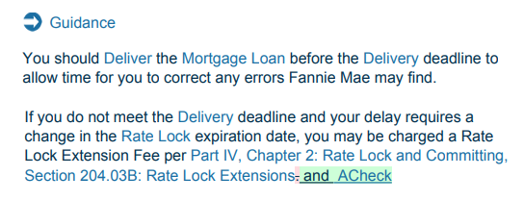
 | Redline Scenarios | 2. Spacing issues: a. Glossary term replaced with different glossary term. b. Deleted list item with Glossary term within it. | 5/31: Pass DM
 | Redline Scenarios | 3. Adding Glossary term followed by a glossary term shows a strikes out the initial glossary term and adds it again (shows as green highlight and strike out). | 5/31: Pass DM
 | Force Generation Process | Upon completion of force generation process, validate below items (other than usual validations) 1. Left navigation shows proper alignment of parts/chapters/sections. 2. Content is visible on the right side of the screen 3. Names of both confidential and public whole guide pdfs are as expected. Eg: Multifamily Selling and Servicing Guide - Confidential - 2024-04-19 Multifamily Selling and Servicing Guide - Public - 2024-04-19 |  | 5/6 - Force Generate PDF worked as expected and all of the listed items look good, except the Public PDF has the "_0" at the end of the file name. (MM) | 